Dev Environments
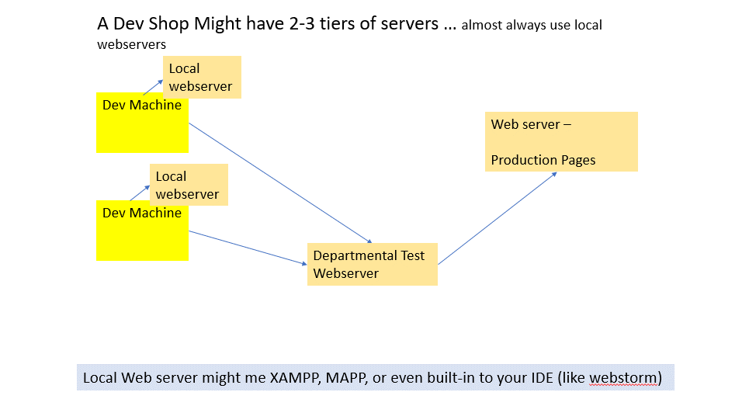
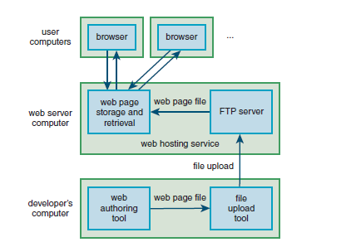

But your local dev server should be the same type as the target.

DNS and IP
https://www.hackers-arise.com/post/2019/05/20/network-basics-for-hackers-domain-name-service-dns-and-bind-theory-vulnerabilities-and-im

Domain names must be registered ... with ICANN (Internet Corporation for Assigned Names and Numbers)
usually through an intermediary such as VeriSign or GoDaddy.

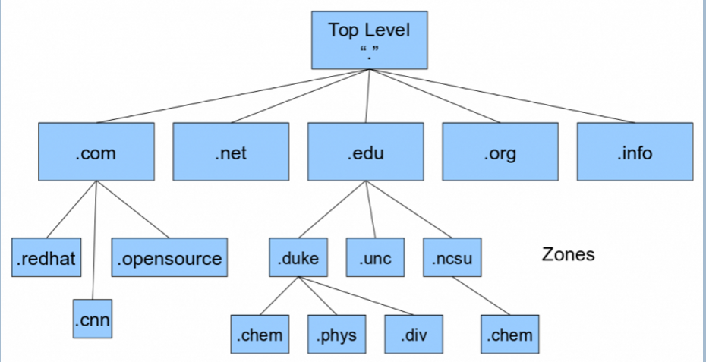

Common IP Numbers for famous sites
google.com – 142.250.217.78
gmail.com – 142.251.33.69
duckduckgo.com – 40.89.244.232
facebook.com – 157.240.3.35
youtube.com – 216.58.206.238
ebay.com – 66.211.175.229
Yahoo search – 98.136.144.138

What is an IP address in simple terms?
An IP address, or Internet Protocol address, is a series of numbers that identifies any device on a network. Computers use IP addresses to communicate with each other both over the internet as well as on other networks

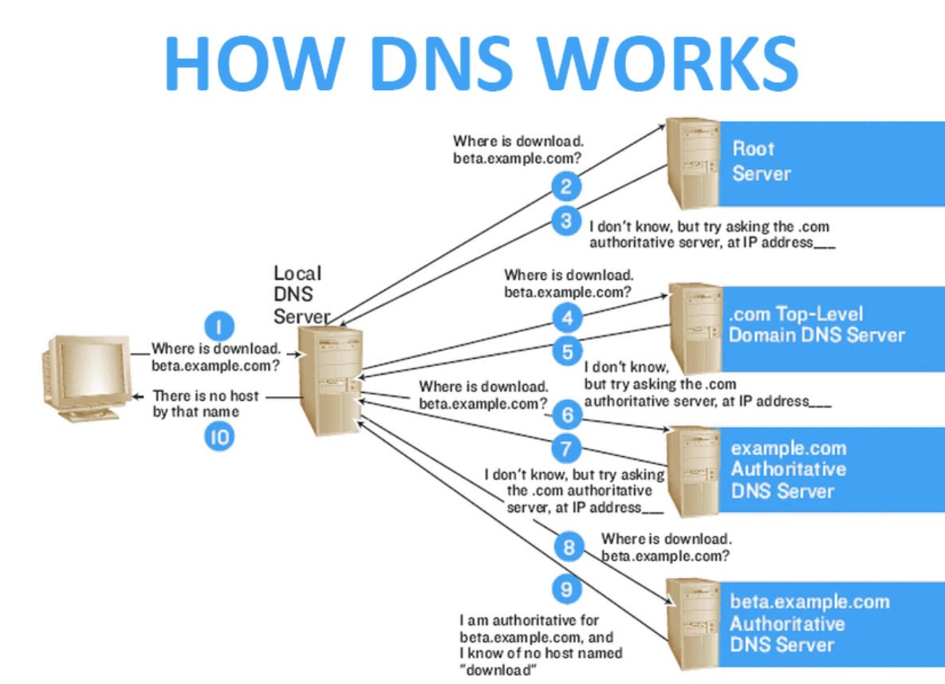

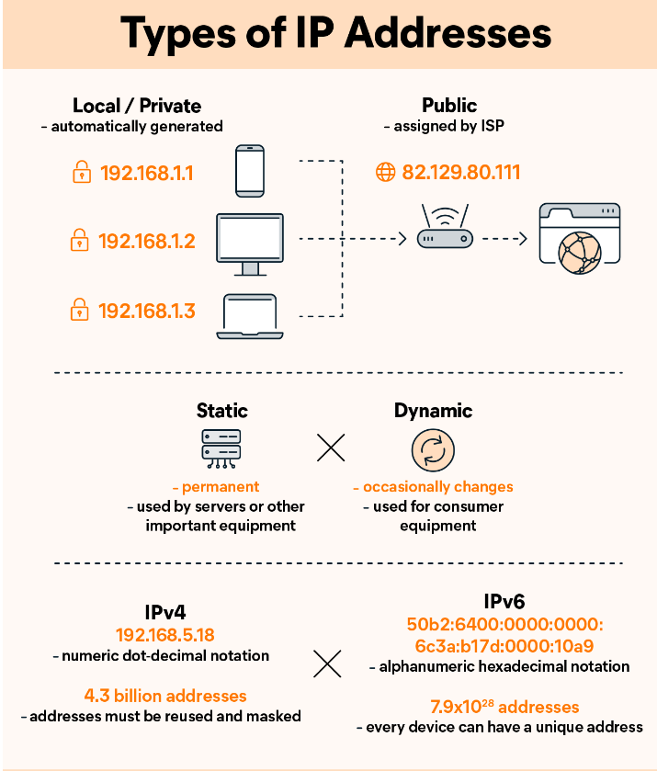

4 types of IP address

Getting Going
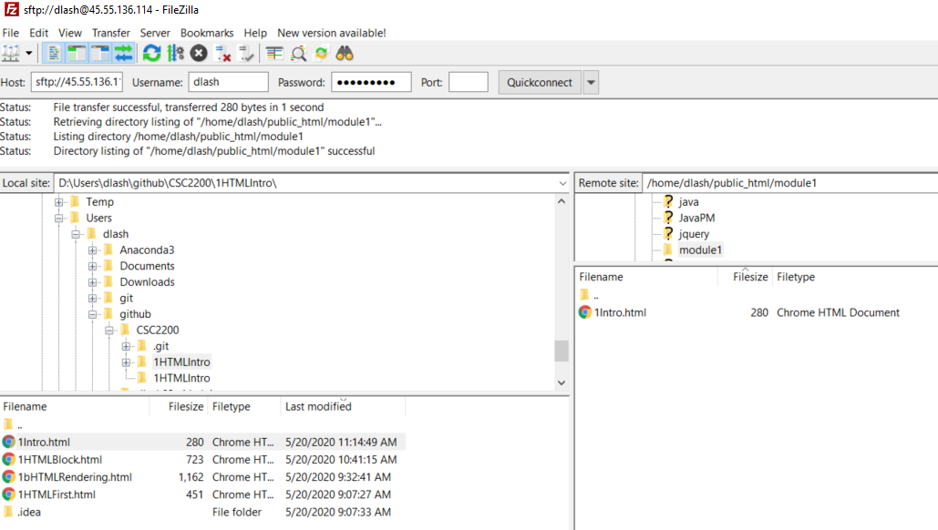
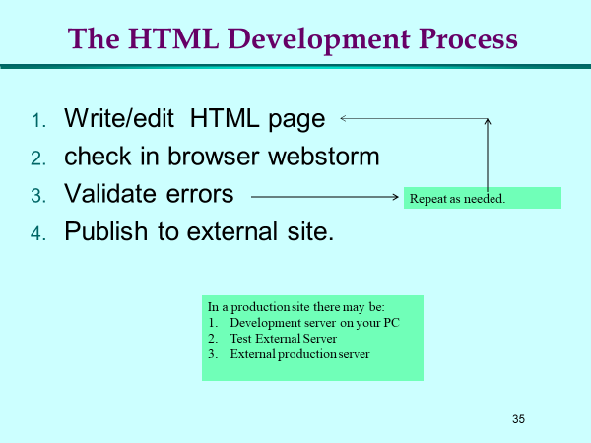
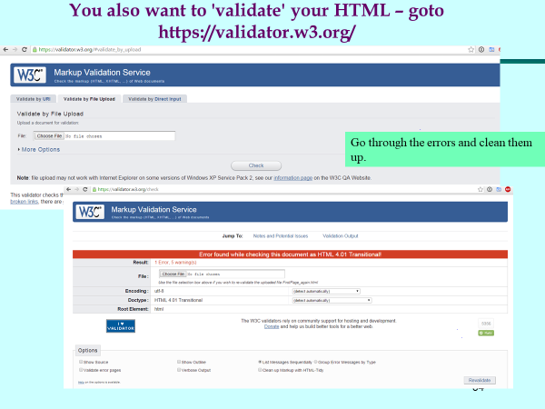
Setting up your development environment ....

There are many development tools that you can use to develop html/JS Applications
- We will use webstorm
1. https://www.jetbrains.com/webstorm/ apply for your free student edition: https://www.jetbrains.com/community/education/#students ... https://www.jetbrains.com/shop/eform/students
Start by file->new project ... note the path
and give the project a name
Next goto file->new file -> pick html5 file ... responds with html boilerplate file

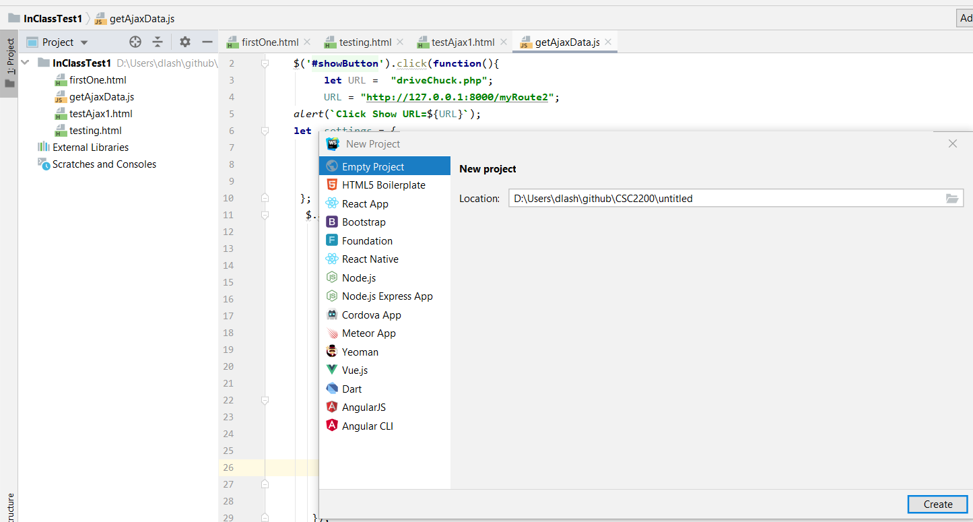
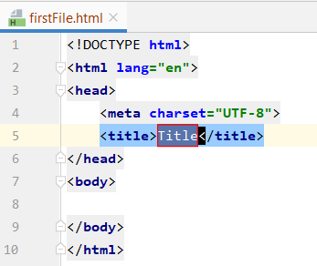

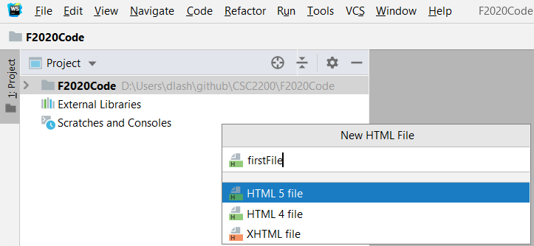

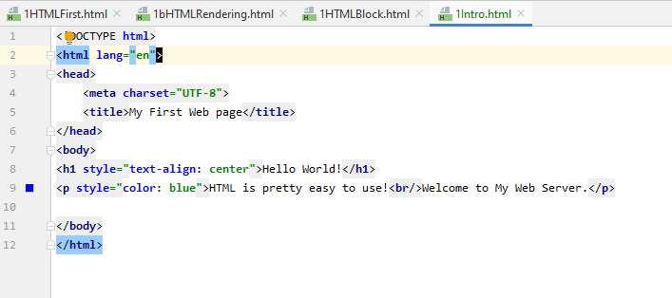

Use these button to 'view' the page in a browser

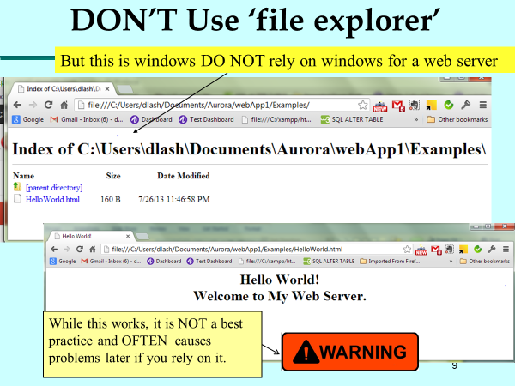
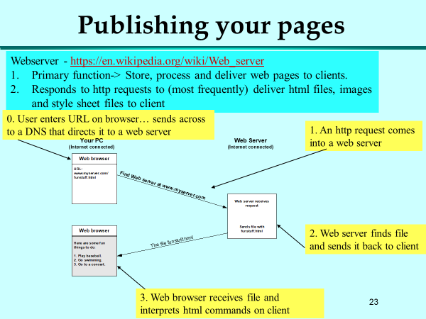

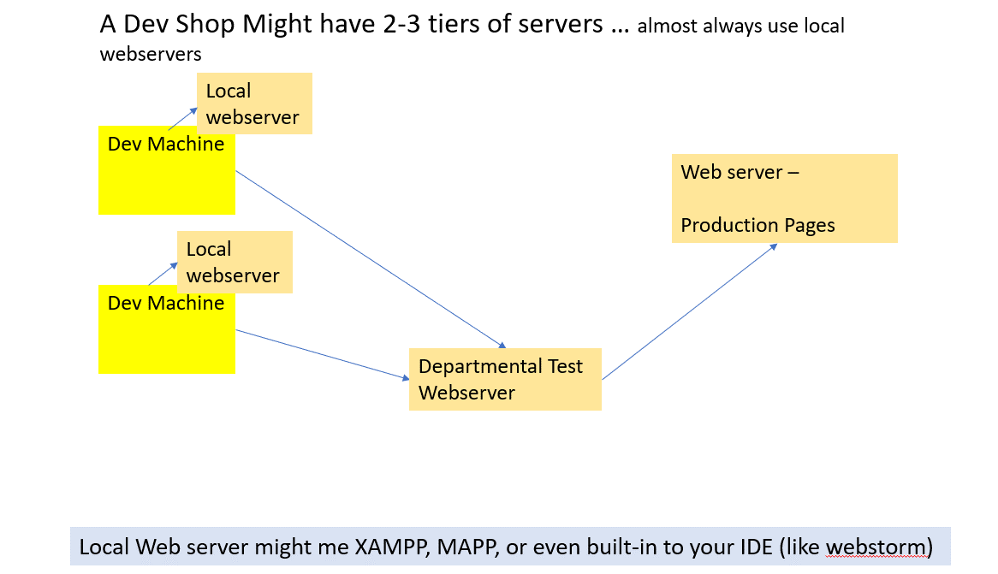

A lesson in URLs !

Our Linux server supports many users ...
/
/home /etc /usr
[dlash] [jmith] [kjones01]
[public_html] [public_html] [public_html]
first.html
bach.jpg
[blog]
bach.jpg

inside public_html are files you want available on the internet and WWW

On our server the address of this file is:
http://45.55.136.114/~dlash/first.html

On our server the address of this file is:
http://45.55.136.114/~dlash/bach.jpg

If bach.jpg was also in [blog]:
http://45.55.136.114/~dlash/blog/bach.jpg

Get filezilla:
https://filezilla-project.org/download.php
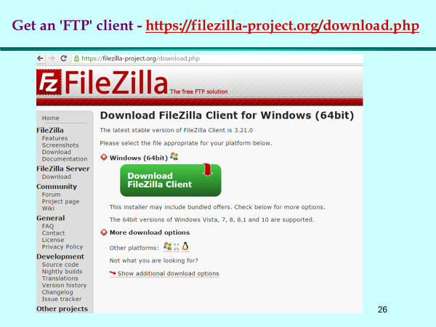

Now ... to publish ... going to copy this server to your webserver
D:\Users\dlash\github\CSC2200\1HTMLIntro

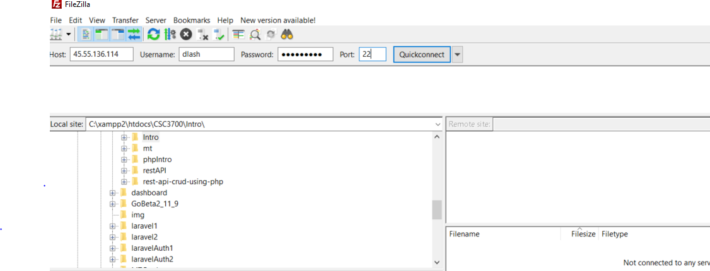
Enter this:
Host 45.55.136.114
UserName: dlash02 (your AU handle)
passwd: webclass1
Port: 22
This is PC side ... this is webserver side

Successful connection!
Note the message here
connected to /home/dlash
Here are my directories on Server side ... double click public_html to enter that directory
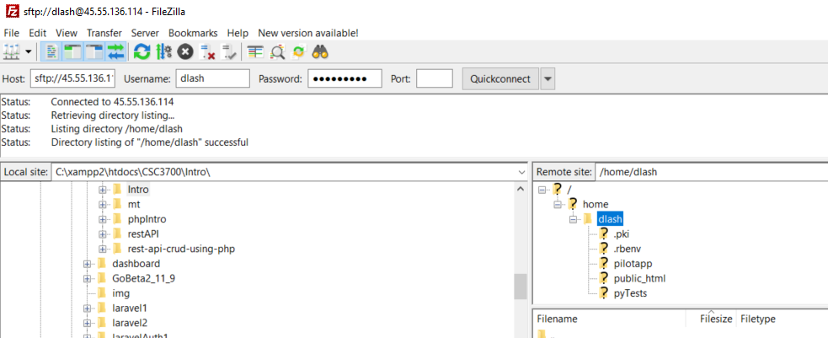

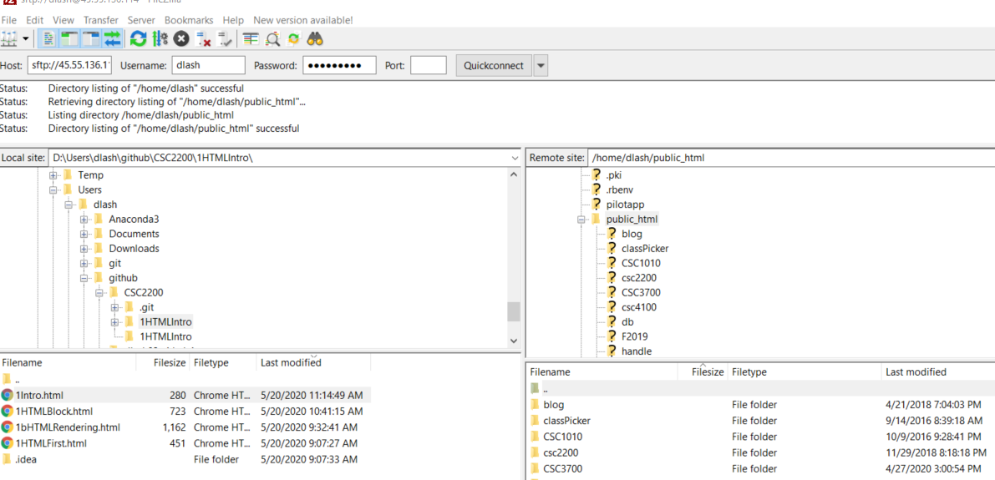
Navigate to the file here:
D:\Users\dlash\github\CSC2200\1HTMLIntro
and drag it to be within public_html

View the files over the web: http://45.55.136.114/~dlash/1Intro.html

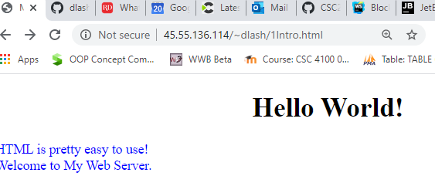

Now right click public_html here and -> create directory ...
call it

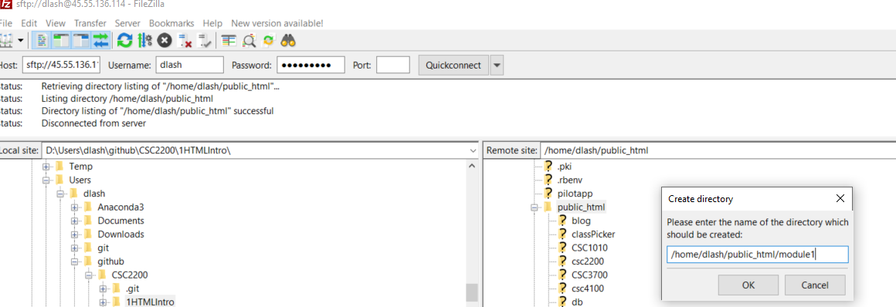

doublie click module1 to enter it and drag the file from PC into the new module1 directory
Now visit that copy via the web: http://45.55.136.114/~dlash/module1/1Intro.html

KeyBoard shortCuts
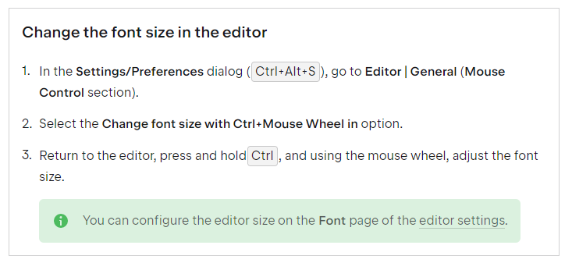
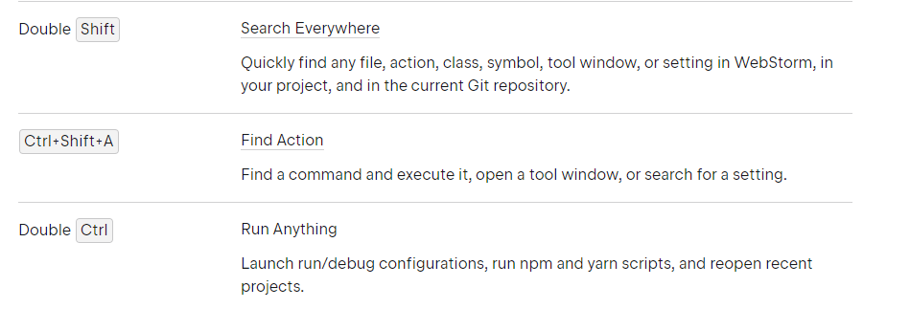
https://www.jetbrains.com/help/webstorm/mastering-keyboard-shortcuts.html

https://www.jetbrains.com/help/webstorm/getting-started-with-webstorm.html#ws_getting_started_user_interface_overview

